LSTM Predicition
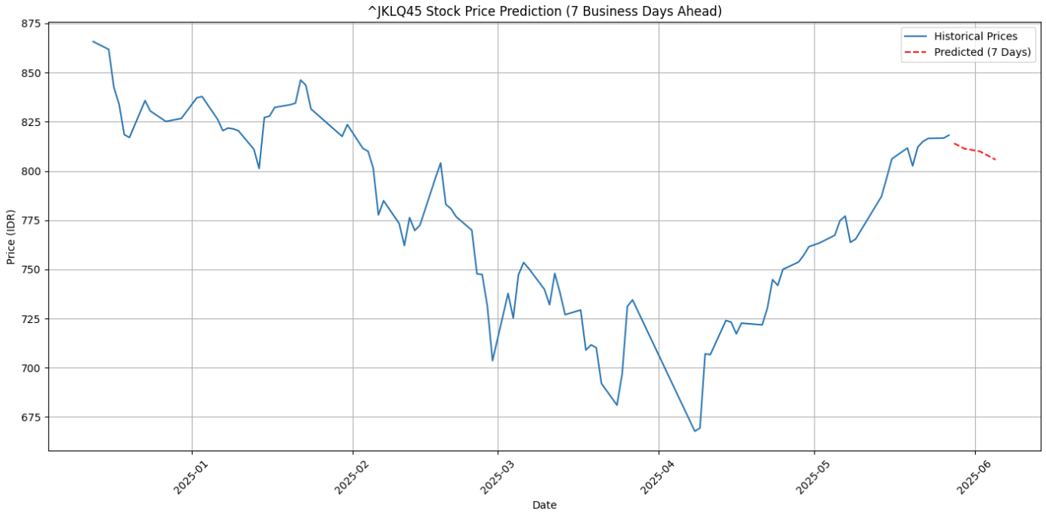
🗓️ Forecast for the next 7 business days🗓️ Forecast for the next 7 business days: 2025-05-28: IDR 814.01 2025-05-29: IDR 812.70 2025-05-30: IDR 811.32 2025-06-02: IDR 809.92 2025-06-03: IDR 808.51 2025-06-04: IDR 807.13 2025-06-05: IDR 805.72

